Initial
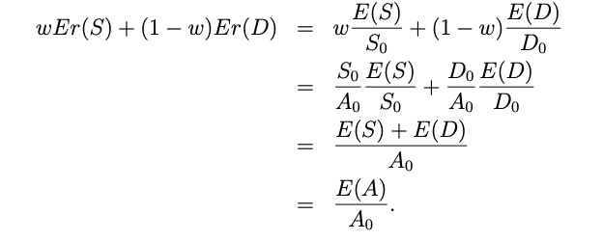
Given |  |  | True prob. | AD price | Risk-neutral, prob.
Computed |  | State | p | ᴪ | q = (1+r)*ᴪ
 | Promised | 1 | 0.1 | 0.07 | 0.071
 | Default | 2 | 0.3 | 0.25 | 0.255
 | - | 3 | 0.3 | 0.28 | 0.286
 | - | 4 | 0.25 | 0.27 | 0.276
 | - | 5 | 0.05 | 0.11 | 0.112

 |  | Sum | 1 | 0.98 | 1

 |  |  |  |  | Debt face value
 |  |  |  |  | D_0 * (1 + 𝜌)
 |  |  | 1 |  | 100
 |  |  | Riskless | Asset value | Debt payoff | Equity payoff
 |  | State | asset | at time 1, A | at time 1, D | at time 1, S
 |  | 1 | 1 | 120 | 100 | 20
 |  | 2 | 1 | 110 | 100 | 10
 |  | 3 | 1 | 100 | 100 | 0
 |  | 4 | 1 | 95 | 95 | 0
 |  | 5 | 1 | 60 | 60 | 0

 |  |  | d_0 | π(A) | π(D) | π(S)
 | Value at time 0, π(d) |  | 0.98 | 96.15 | 92.25 | 3.90 |  | Funding cost | 5.82%
 | Expected return, Er(d) |  | 2.04% | 5.82% | 4.88% | 28.21%
Bond yield (disc. comp. 1-yr mat), r or 𝜌 |  |  | 2.04% | n/a | 8.40% | n/a |  | The funding cost is computed as the cost of debt funding times the share of debt in the capital structure plus the cost of equity funding times the share of equity
Bond yield (cont. comp. 1-yr mat) |  |  |  |  | 8.07%
 |  |  |  | A_0 | D_0 | S_0
 |  |  |  | 96.15 | 92.25 | 3.90
 |  |  |  |  | (1-w) | w
 |  |  |  |  | 95.94% | 4.06%

 |  |  |  | Funding rate | 4.68% | 1.14% | 5.82%

 |  |  |  | Funding rate | != | Funding rate + 1

